About


BAU BCoESC Cost of Electricity Sector Capital for Power Plants
BAU BCoESC Cost of Electricity Sector Capital for Other Electricity Sector Investments

Sources : | Discount rates in energy supply sector | EU REF2020 report p.169

Notes :
This variable expresses the financing cost of capital construction in the electricity sector.
For debt-based financing, it should be the interest rate on the debt.
For equity-based financing, it should be the share of equity in the project given to the financier.
Projects are often a mixture of debt-based and equity-based financing. In that case, use a
weighted average.

WACC data
WACC calculation
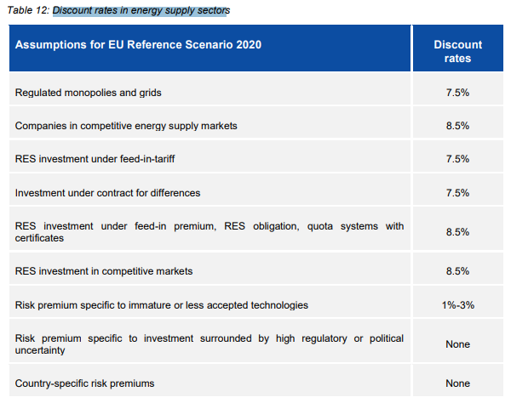

 | An average WACC is taken
 | WACC | 8.00%

